visualizations
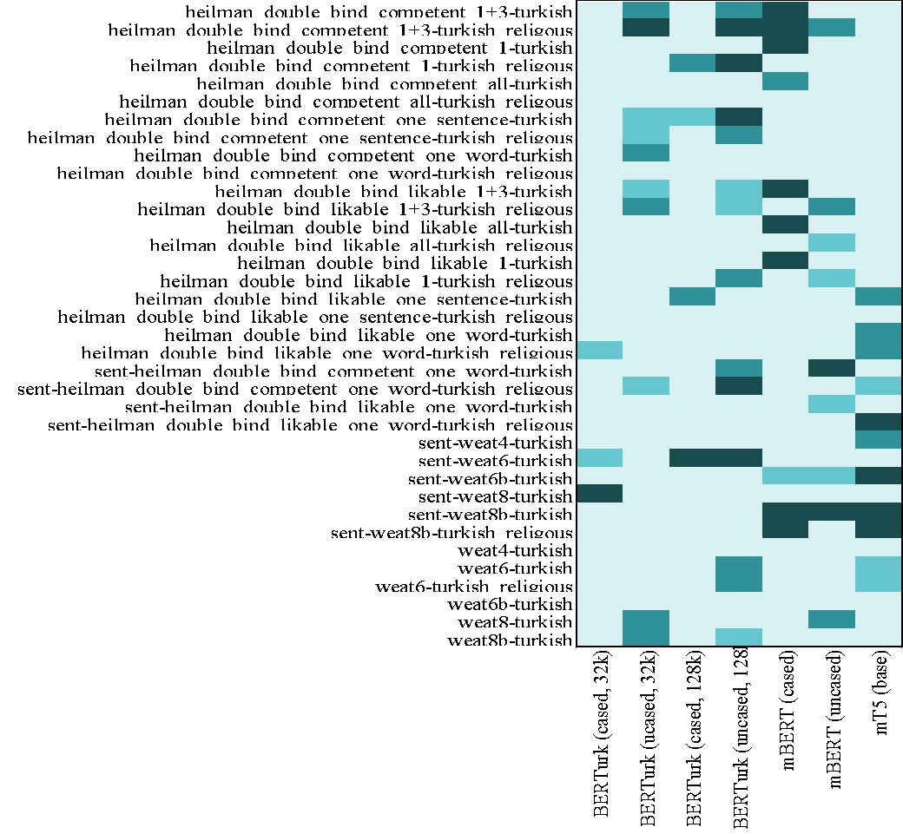
heilman_double_bind_competent_1+3-turkish | 0.418414918+B4:H39 | 0.040559441 | 0.751359751 | 0.032944833 | 0.001942502 | 0.217715618 | 0.847
heilman_double_bind_competent_1+3-turkish_religous | 0.991219891 | 0.001709402 | 0.885392385 | 0.000077700 | 0.000388500 | 0.017948 | 0.848
heilman_double_bind_competent_1-turkish | 0.581662782 | 0.515928516 | 0.287412587 | 0.205982906 | 0.000543901 | 0.182595183 | 0.849
heilman_double_bind_competent_1-turkish_religous | 0.978243978 | 0.773659674 | 0.031857032 | 0.008780109 | 0.380574981 | 0.392773893 | 0.850
heilman_double_bind_competent_all-turkish | 0.584226884 | 0.594638695 | 0.945765346 | 0.169774670 | 0.033411033 | 0.433255633 | 0.851
heilman_double_bind_competent_all-turkish_religous | 0.996736597 | 0.470163170 | 0.447086247 | 0.290909091 | 0.616006216 | 0.541181041 | 0.852
heilman_double_bind_competent_one_sentence-turkish | 0.203030303 | 0.072882673 | 0.074048174 | 0.009479409 | 0.432323232 | 0.517016317 | 0.853
heilman_double_bind_competent_one_sentence-turkish_religous | 0.449805750 | 0.064491064 | 0.462859363 | 0.017404817 | 0.955477855 | 0.392618493 | 0.854
heilman_double_bind_competent_one_word-turkish | 0.362626263 | 0.030769231 | 0.841414141 | 0.993783994 | 0.515773116 | 0.553768454 | 0.855
heilman_double_bind_competent_one_word-turkish_religous | 0.137529138 | 0.173970474 | 0.425330225 | 0.823465423 | 0.506526807 | 0.395260295 | 0.856
heilman_double_bind_likable_1+3-turkish | 0.856876457 | 0.056177156 | 0.873504274 | 0.058585859 | 0.001554002 | 0.490365190 | 0.857
heilman_double_bind_likable_1+3-turkish_religous | 0.998057498 | 0.026961927 | 0.670629371 | 0.050815851 | 0.401398601 | 0.020435120 | 0.858
heilman_double_bind_likable_all-turkish | 0.884693085 | 0.573426573 | 0.993395493 | 0.165112665 | 0.003263403 | 0.498679099 | 0.859
heilman_double_bind_likable_all-turkish_religous | 0.998834499 | 0.159052059 | 0.859518260 | 0.267676768 | 0.282284382 | 0.053069153 | 0.860
heilman_double_bind_likable_1-turkish | 0.634110334 | 0.485392385 | 0.582672883 | 0.510955711 | 0.001864802 | 0.448951049 | 0.861
heilman_double_bind_likable_1-turkish_religous | 0.975369075 | 0.760217560 | 0.194172494 | 0.041647242 | 0.261305361 | 0.058974359 | 0.862 | statistical significance
heilman_double_bind_likable_one_sentence-turkish | 0.942657343 | 0.555866356 | 0.010567211 | 0.693162393 | 0.345532246 | 0.961849262 | 0.036 |  | insignifacnt (p > 0.1)
heilman_double_bind_likable_one_sentence-turkish_religous | 0.448717949 | 0.873892774 | 0.528671329 | 0.162004662 | 0.303263403 | 0.722455322 | 0.474 |  | margianally significant (p < 0.1) |  | SEAT4 (sentence-level)
heilman_double_bind_likable_one_word-turkish | 0.435042735 | 0.657886558 | 0.100543901 | 0.858197358 | 0.849339549 | 0.511965812 | 0.032 |  | significant (p < 0.05) |  | Model | p-value
heilman_double_bind_likable_one_word-turkish_religious | 0.099145299 | 0.901554002 | 0.428438228 | 0.381585082 | 0.329759130 | 0.413053613 | 0.032 |  | highly significant (p < 0.01) |  | BERTurk (cased, 32k) | 0.80221
sent-heilman_double_bind_competent_one_word-turkish | 0.695110000 | 0.664610000 | 0.714400000 | 0.019770000 | 0.102430000 | 0.000320000 | 0.78 |  |  |  | BERTurk (ucased, 32k) | 0.92807
sent-heilman_double_bind_competent_one_word-turkish_religous | 0.651530000 | 0.062520000 | 0.978000000 | 0.006500000 | 0.424890000 | 0.175810000 | 0.050 |  |  |  | BERTurk (cased, 128k) | 0.27493
sent-heilman_double_bind_likable_one_word-turkish | 0.913880000 | 0.695250000 | 0.832360000 | 0.521830000 | 0.883670000 | 0.066100000 | 0.30 |  |  |  | BERTurk (uncased, 128k) | 0.93031
sent-heilman_double_bind_likable_one_word-turkish_religous | 0.901130000 | 0.982920000 | 0.645010000 | 0.164220000 | 0.564230000 | 0.669400000 | 0.004 |  |  |  | mBERT (cased) | 0.92572
sent-weat4-turkish | 0.802210000 | 0.928070000 | 0.274930000 | 0.930310000 | 0.925720000 | 0.284500000 | 0.01 |  |  |  | mBERT (uncased) | 0.2845
sent-weat6-turkish | 0.062130000 | 0.355470000 | 0.001400000 | 0.000920000 | 0.829170000 | 0.954440000 | 0.99 |  |  |  | mT5 (base) | 0.01355
SEAT4
sent-weat6b-turkish | 0.982290000 | 0.979240000 | 0.794040000 | 0.802710000 | 0.072830000 | 0.084980000 | 0.004
sent-weat8-turkish | 0.002440000 | 0.713790000 | 0.159240000 | 0.947000000 | 0.999700000 | 0.999250000 | 0.98
sent-weat8b-turkish | 0.977940000 | 0.247350000 | 0.399180000 | 0.250290000 | 0.000070000 | 0.002530000 | 0.002
sent-weat8b-turkish_religous | 0.935640000 | 0.774510000 | 0.153240000 | 0.311080000 | 0.006890000 | 0.953440000 | 0.003
weat4-turkish | 0.402960000 | 0.812630000 | 0.988060000 | 0.116320000 | 0.501620000 | 0.549560000 | 0.9
weat6-turkish | 0.637839938 | 0.124786325 | 0.145609946 | 0.013986014 | 0.543278943 | 0.579564880 | 0.06
weat6-turkish_religious | 0.719968920 | 0.124087024 | 0.356721057 | 0.041647242 | 0.792773893 | 0.669774670 | 0.07
weat6b-turkish | 0.954836830 | 0.227564103 | 0.671328671 | 0.296911422 | 0.869463869 | 0.546620047 | 0.138
weat8-turkish | 0.222766123 | 0.038461538 | 0.256565657 | 0.744444444 | 0.722688423 | 0.026573427 | 0.139
weat8b-turkish | 0.904040404 | 0.016239316 | 0.296581197 | 0.088189588 | 0.862237762 | 0.427661228 | 0.140
 | BERTurk (cased, 32k) | BERTurk (ucased, 32k) | BERTurk (cased, 128k) | BERTurk (uncased, 128k) | mBERT (cased) | mBERT (uncased) | mT5 (base) |  |  |  |  |  |  |  |  |  | 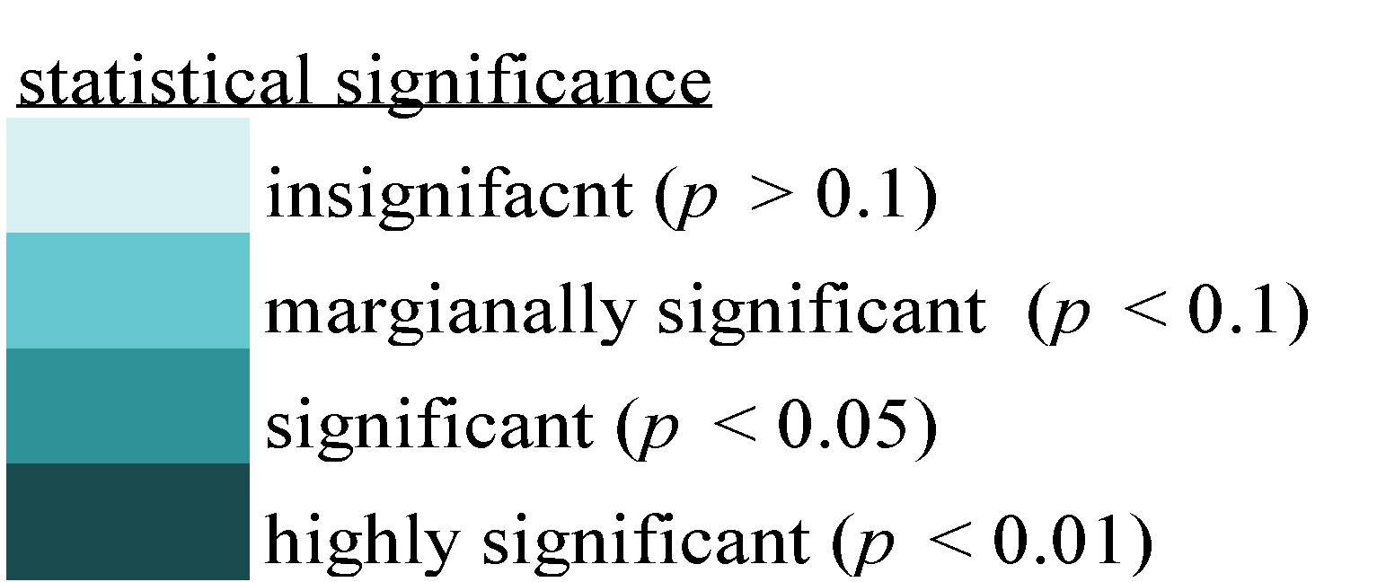

 |  |  |  |  |  |  |  |  |  | p-values
 |  |  |  |  |  |  |  |  |  | 0.418414918 | 0.040559441 | 0.751359751 | 0.032944833 | 0.001942502 | 0.217715618 | 0.847397047
 |  |  |  |  |  |  |  |  |  | 0.991219891 | 0.001709402 | 0.885392385 | 0.000077700 | 0.000388500 | 0.017948718 | 0.950427350
 |  |  |  |  |  |  |  |  |  | 0.581662782 | 0.515928516 | 0.287412587 | 0.205982906 | 0.000543901 | 0.182595183 | 0.790753691
 |  |  |  |  |  |  |  |  |  | 0.978243978 | 0.773659674 | 0.031857032 | 0.008780109 | 0.380574981 | 0.392773893 | 0.886635587
 |  |  |  |  |  |  |  |  |  | 0.584226884 | 0.594638695 | 0.945765346 | 0.169774670 | 0.033411033 | 0.433255633 | 0.847008547
 |  |  |  |  |  |  |  |  |  | 0.996736597 | 0.470163170 | 0.447086247 | 0.290909091 | 0.616006216 | 0.541181041 | 0.983682984
 |  |  |  |  |  |  |  |  |  | 0.203030303 | 0.072882673 | 0.074048174 | 0.009479409 | 0.432323232 | 0.517016317 | 0.918803419
 |  |  |  |  |  |  |  |  |  | 0.449805750 | 0.064491064 | 0.462859363 | 0.017404817 | 0.955477855 | 0.392618493 | 0.800077700
 |  |  |  |  |  |  |  |  |  | 0.362626263 | 0.030769231 | 0.841414141 | 0.993783994 | 0.515773116 | 0.553768454 | 0.955866356
 |  |  |  |  |  |  |  |  |  | 0.137529138 | 0.173970474 | 0.425330225 | 0.823465423 | 0.506526807 | 0.395260295 | 0.746853147
 |  |  |  |  |  |  |  |  |  | 0.856876457 | 0.056177156 | 0.873504274 | 0.058585859 | 0.001554002 | 0.490365190 | 0.711033411
 |  |  |  |  |  |  |  |  |  | 0.998057498 | 0.026961927 | 0.670629371 | 0.050815851 | 0.401398601 | 0.020435120 | 0.851592852
 |  |  |  |  |  |  |  |  |  | 0.884693085 | 0.573426573 | 0.993395493 | 0.165112665 | 0.003263403 | 0.498679099 | 0.757886558
 |  |  |  |  |  |  |  |  |  | 0.998834499 | 0.159052059 | 0.859518260 | 0.267676768 | 0.282284382 | 0.053069153 | 0.835275835
 |  |  |  |  |  |  |  |  |  | 0.634110334 | 0.485392385 | 0.582672883 | 0.510955711 | 0.001864802 | 0.448951049 | 0.592929293
 |  |  |  |  |  |  |  |  |  | 0.975369075 | 0.760217560 | 0.194172494 | 0.041647242 | 0.261305361 | 0.058974359 | 0.910722611
 |  |  |  |  |  |  |  |  |  | 0.942657343 | 0.555866356 | 0.010567211 | 0.693162393 | 0.345532246 | 0.961849262 | 0.036752137
 |  |  |  |  |  |  |  |  |  | 0.448717949 | 0.873892774 | 0.528671329 | 0.162004662 | 0.303263403 | 0.722455322 | 0.474592075
 |  |  |  |  |  |  |  |  |  | 0.435042735 | 0.657886558 | 0.100543901 | 0.858197358 | 0.849339549 | 0.511965812 | 0.032090132
 |  |  |  |  |  |  |  |  |  | 0.099145299 | 0.901554002 | 0.428438228 | 0.381585082 | 0.329759130 | 0.413053613 | 0.031857032
 |  |  |  |  |  |  |  |  |  | 0.695110000 | 0.664610000 | 0.714400000 | 0.019770000 | 0.102430000 | 0.000320000 | 0.780230000
 |  |  |  |  |  |  |  |  |  | 0.651530000 | 0.062520000 | 0.978000000 | 0.006500000 | 0.424890000 | 0.175810000 | 0.050110000
 |  |  |  |  |  |  |  |  |  | 0.913880000 | 0.695250000 | 0.832360000 | 0.521830000 | 0.883670000 | 0.066100000 | 0.302290000
 |  |  |  |  |  |  |  |  |  | 0.901130000 | 0.982920000 | 0.645010000 | 0.164220000 | 0.564230000 | 0.669400000 | 0.004670000
 |  |  |  |  |  |  |  |  |  | 0.802210000 | 0.928070000 | 0.274930000 | 0.930310000 | 0.925720000 | 0.284500000 | 0.013550000
 |  |  |  |  |  |  |  |  |  | 0.062130000 | 0.355470000 | 0.001400000 | 0.000920000 | 0.829170000 | 0.954440000 | 0.997860000
 |  |  |  |  |  |  |  |  |  | 0.115750000 | 0.915910000 | 0.023820000 | 0.107540000 | 0.196480000 | 0.407430000 | 0.998280000
 |  |  |  |  |  |  |  |  |  | 0.982290000 | 0.979240000 | 0.794040000 | 0.802710000 | 0.072830000 | 0.084980000 | 0.004120000
 |  |  |  |  |  |  |  |  |  | 0.002440000 | 0.713790000 | 0.159240000 | 0.947000000 | 0.999700000 | 0.999250000 | 0.989780000
 |  |  |  |  |  |  |  |  |  | 0.977940000 | 0.247350000 | 0.399180000 | 0.250290000 | 0.000070000 | 0.002530000 | 0.002240000
 |  |  |  |  |  |  |  |  |  | 0.935640000 | 0.774510000 | 0.153240000 | 0.311080000 | 0.006890000 | 0.953440000 | 0.000520000
 |  |  |  |  |  |  |  |  |  | 0.402960000 | 0.812630000 | 0.988060000 | 0.116320000 | 0.501620000 | 0.549560000 | 0.984610000
 |  |  |  |  |  |  |  |  |  | 0.637839938 | 0.124786325 | 0.145609946 | 0.013986014 | 0.543278943 | 0.579564880 | 0.066899767
 |  |  |  |  |  |  |  |  |  | 0.719968920 | 0.124087024 | 0.356721057 | 0.041647242 | 0.792773893 | 0.669774670 | 0.060839161
 |  |  |  |  |  |  |  |  |  | 0.954836830 | 0.227564103 | 0.671328671 | 0.296911422 | 0.869463869 | 0.546620047 | 0.138694639
 |  |  |  |  |  |  |  |  |  | 0.222766123 | 0.038461538 | 0.256565657 | 0.744444444 | 0.722688423 | 0.026573427 | 0.605594406
 |  |  |  |  |  |  |  |  |  | 0.904040404 | 0.016239316 | 0.296581197 | 0.088189588 | 0.862237762 | 0.427661228 | 0.534343434

visualization tmp
heilman_double_bind_competent_1+3-turkish | 0.418414918+B4:H39 | 0.040559441 | 0.751359751 | 0.032944833 | 0.001942502 | 0.217715618 | 0.847
heilman_double_bind_competent_1+3-turkish_religous | 0.991219891 | 0.001709402 | 0.885392385 | 0.000077700 | 0.000388500 | 0.017948 | 0.848
heilman_double_bind_competent_1-turkish | 0.581662782 | 0.515928516 | 0.287412587 | 0.205982906 | 0.000543901 | 0.182595183 | 0.849
heilman_double_bind_competent_1-turkish_religous | 0.978243978 | 0.773659674 | 0.031857032 | 0.008780109 | 0.380574981 | 0.392773893 | 0.850 |  |  |  |  |  |  |  | Men | 80.7
sent-heilman_double_bind_competent_one_word-turkish | 0.695110000 | 0.664610000 | 0.714400000 | 0.019770000 | 0.102430000 | 0.000320000 | 0.78 | 0.449805750 | 0.064491064 | 0.462859363 | 0.017404817 | 0.955477855 | 0.392618493 | 0.800077700 | Women | 19.3
sent-heilman_double_bind_competent_one_word-turkish_religous | 0.651530000 | 0.062520000 | 0.978000000 | 0.006500000 | 0.424890000 | 0.175810000 | 0.050 | 0.362626263 | 0.030769231 | 0.841414141 | 0.993783994 | 0.515773116 | 0.553768454 | 0.955866356
Executive Positions in Turkey in 2020
sent-heilman_double_bind_likable_one_word-turkish | 0.913880000 | 0.695250000 | 0.832360000 | 0.521830000 | 0.883670000 | 0.066100000 | 0.30 | 0.137529138 | 0.173970474 | 0.425330225 | 0.823465423 | 0.506526807 | 0.395260295 | 0.746853147
sent-heilman_double_bind_likable_one_word-turkish_religous | 0.901130000 | 0.982920000 | 0.645010000 | 0.164220000 | 0.564230000 | 0.669400000 | 0.004 | 0.856876457 | 0.056177156 | 0.873504274 | 0.058585859 | 0.001554002 | 0.490365190 | 0.711033411
 | BERTurk (cased, 32k) | BERTurk (ucased, 32k) | BERTurk (cased, 128k) | BERTurk (uncased, 128k) | mBERT (cased) | mBERT (uncased) | mT5 (base) | 0.901130000 | 0.982920000 | 0.645010000 | 0.164220000 | 0.564230000 | 0.669400000 | 0.004670000
 |  |  |  |  |  |  |  | 0.802210000 | 0.928070000 | 0.274930000 | 0.930310000 | 0.925720000 | 0.284500000 | 0.013550000
 |  |  |  |  |  |  |  | 0.062130000 | 0.355470000 | 0.001400000 | 0.000920000 | 0.829170000 | 0.954440000 | 0.997860000
 |  |  |  |  |  |  |  | 0.115750000 | 0.915910000 | 0.023820000 | 0.107540000 | 0.196480000 | 0.407430000 | 0.998280000
 |  |  |  |  |  |  |  | 0.982290000 | 0.979240000 | 0.794040000 | 0.802710000 | 0.072830000 | 0.084980000 | 0.004120000
 |  |  |  |  |  |  |  | 0.002440000 | 0.713790000 | 0.159240000 | 0.947000000 | 0.999700000 | 0.999250000 | 0.989780000
 |  |  |  |  |  |  |  | 0.977940000 | 0.247350000 | 0.399180000 | 0.250290000 | 0.000070000 | 0.002530000 | 0.002240000
 |  |  |  |  |  |  |  | 0.935640000 | 0.774510000 | 0.153240000 | 0.311080000 | 0.006890000 | 0.953440000 | 0.000520000
 |  |  |  |  |  |  |  | 0.402960000 | 0.812630000 | 0.988060000 | 0.116320000 | 0.501620000 | 0.549560000 | 0.984610000
 |  |  |  |  |  |  |  | 0.637839938 | 0.124786325 | 0.145609946 | 0.013986014 | 0.543278943 | 0.579564880 | 0.066899767
 |  |  |  |  |  |  |  | 0.719968920 | 0.124087024 | 0.356721057 | 0.041647242 | 0.792773893 | 0.669774670 | 0.060839161
 |  |  |  |  |  |  |  | 0.954836830 | 0.227564103 | 0.671328671 | 0.296911422 | 0.869463869 | 0.546620047 | 0.138694639
 |  |  |  |  |  |  |  | 0.222766123 | 0.038461538 | 0.256565657 | 0.744444444 | 0.722688423 | 0.026573427 | 0.605594406
 |  |  |  |  |  |  |  | 0.904040404 | 0.016239316 | 0.296581197 | 0.088189588 | 0.862237762 | 0.427661228 | 0.534343434

